Indices

 | Iraq Stock Exchange
 | Bulletin No (79)
 | ISX Trading Indices of Wednesday 6/5/2026

 | Traded Volume and OTC |  | 1,252,336,895 |  | Traded Value and OTC |  | 1,435,007,731 |  | Traders | 1373

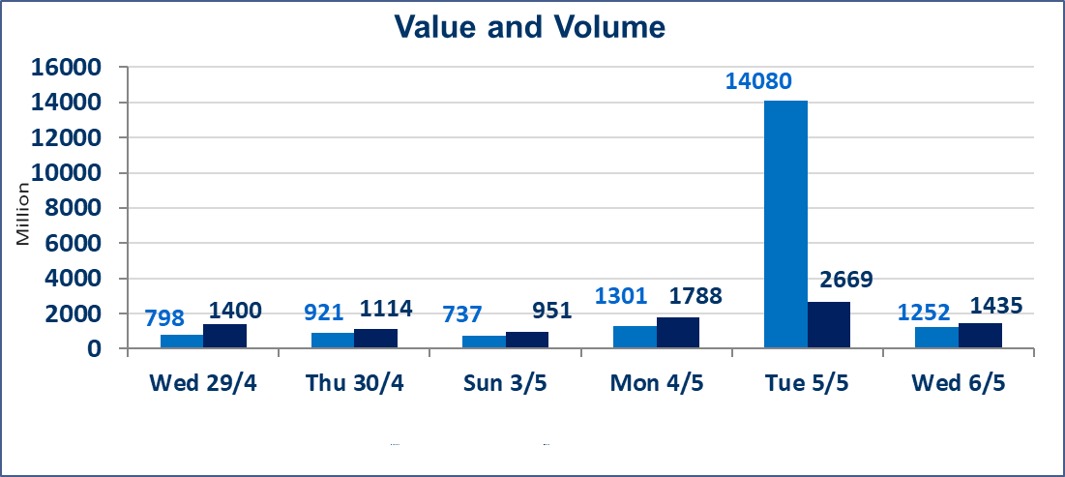
 | ISX Index 60 |  |  | 985.61 | ISX Index 15 |  |  | 1257.02
 | Previous ISX Index60 |  |  | 984.28 | Previous ISX Index15 |  |  | 1260.13
 | Change % |  |  | 0.14 | Change % |  |  | -0.25
 | Change |  |  | 1.33 | Change |  |  | -3.11

 | Listed Companies | 104 | OTC | 14 | Non Traded listed | 49 | OTC | 13
 | Traded Listed Companies | 43 | OTC | 1 | Higher Companies |  |  | 10
 | GAM Companies |  |  | 3 | Lower Companies |  |  | 14
 | Suspended Companies |  |  | 9
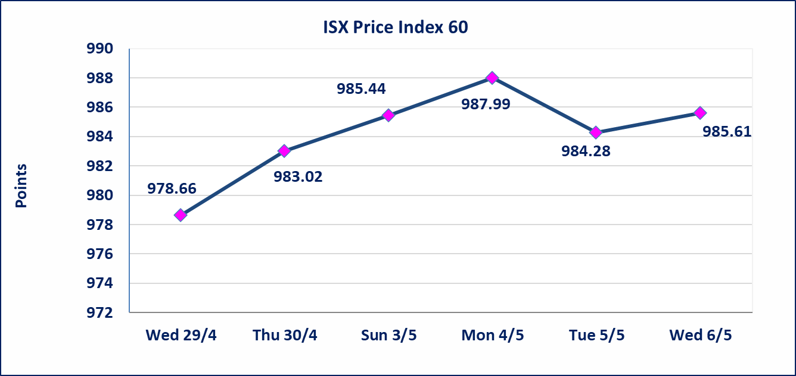
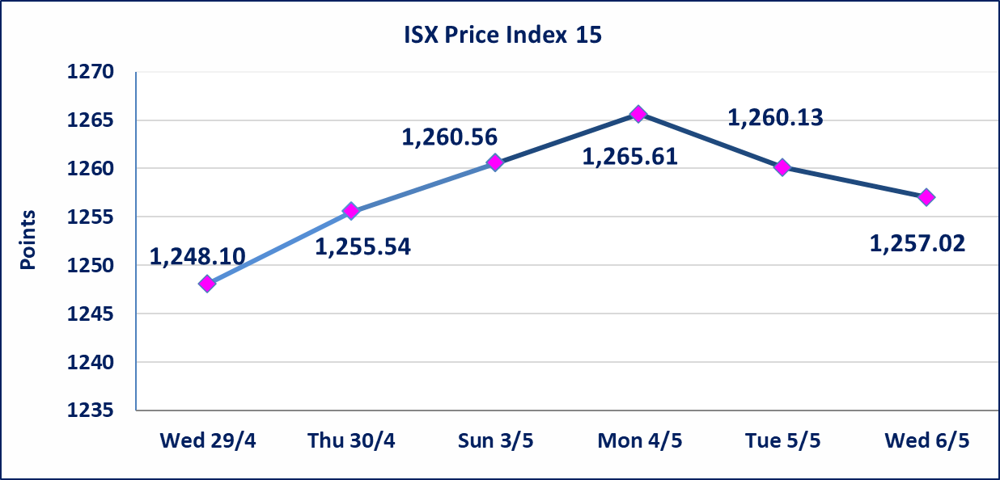

Al-Alwiya P.O . 3607 Mobile: 07711211522 - 07270094594 - 07834000034 E-mail: info-isx@isx-iq.net Web site:www.isx-iq.net

Top 5
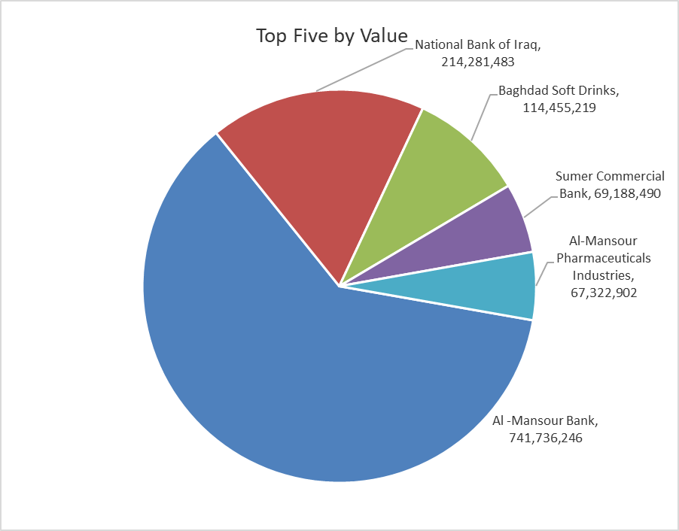
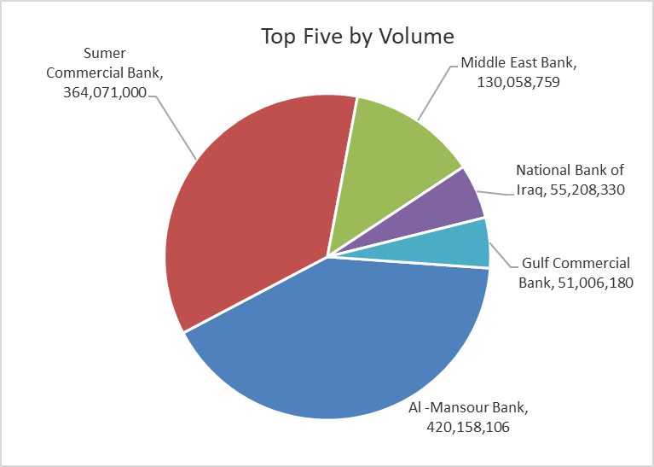

ISX top ganing and losing companies
Wednesday 6/5/2026
 | Gainers |  |  |  | Losers
 | Company Name | Closing Price | Change (%) | Traded Volume | Company Name | Closing Price | Change (%) | Traded Volume
 | Ashur International Bank | 0.250 | 4.17 | 4,820,000 | National Bank of Iraq | 3.850 | -3.02 | 55,208,330
 | Investment Bank of Iraq | 0.250 | 4.17 | 24,155,300 | Iraqi Carton Manufactories | 2.480 | -2.75 | 135,000
 | Al-Mansour Pharmaceuticals Industries | 2.400 | 3.00 | 28,282,218 | General Transportation | 1.700 | -2.30 | 11,694
 | The Light Industries | 1.230 | 1.65 | 2,911,791 | Al-Ameen for Insurance | 0.910 | -2.15 | 191,000
 | Al-Khatam Telecom | 3.860 | 1.58 | 522,612 | National Chemical &Plastic | 1.880 | -2.08 | 32,714
 | The most active companies in term of traded volume and value

 | Traded Volume |  |  |  | Traded Value
 | Company Name | Closing Price | Change (%) | Traded Volume | Company Name | Closing Price | Change (%) | Traded Value
 | Al -Mansour Bank | 1.770 | 0.00 | 420,158,106 | Al -Mansour Bank | 1.770 | 0.00 | 741,736,246
 | Sumer Commercial Bank | 0.200 | 0.00 | 364,071,000 | National Bank of Iraq | 3.850 | -3.02 | 214,281,483
 | Middle East Bank | 0.090 | 0.00 | 130,058,759 | Baghdad Soft Drinks | 6.200 | 0.49 | 114,455,219
 | National Bank of Iraq | 3.850 | -3.02 | 55,208,330 | Sumer Commercial Bank | 0.200 | 0.00 | 69,188,490
 | Gulf Commercial Bank | 0.350 | 0.00 | 51,006,180 | Al-Mansour Pharmaceuticals Industries | 2.400 | 3.00 | 67,322,902

Non Iraqis

Iraq Stock Exchange
Non Iraqis' Bulletin Wednesday May 6 2026
Regular Market

Non Iraqi Trading of Regular Market (Buy)
Company Names | Code | No.of trades | Traded Shares | Trading Volume
Banks Sector
Iraqi Middle East Investment Bank | BIME | 1 | 100,000 | 10,000
National Bank Of Iraq | BNOI | 3 | 525,190 | 2,063,997
Total Bank sector |  | 4 | 625,190 | 2,073,997
Agricultural Sector
Iraqi Agricultural Products Marketing Meat | AIPM | 1 | 208,882 | 939,969
Total Agricultural Sector |  | 1 | 208,882 | 939,969
Grand Total |  | 5 | 834,072 | 3,013,966

Non Iraqi Trading of Regular Market (Sell)
Company Names | Code | No.of trades | Traded Shares | Trading Volume
Banks Sector
Ashur International Bank | BASH | 1 | 200,000 | 46,000
Al-Mansour Bank | BMNS | 4 | 67,045 | 117,329
Total Bank sector |  | 5 | 267,045 | 163,329
Industry Sector
Al-Mansour Pharmaceuticals Industries | IMAP | 7 | 4,000,000 | 9,520,000
Total Industry sector |  | 7 | 4,000,000 | 9,520,000
Grand Total |  | 12 | 4,267,045 | 9,683,329

Not Trading Bonds

Iraq Stock Exchange
Wednesday 6/5/2026
Not Trading Bonds Bulletin
Bond type | Publish type | Code | last trading price | immortilize date
Banaa Bonds /Million ID | Second | CB20 | 964,981 | 19/12/2025
Eamar Bonds /Million ID | First | CB30 | 1,001,095 | ــــــــــــــــ
Eamar Bonds /Million ID | Second | CB40 | ــــــــــــــــ | ــــــــــــــــ
Eamar Bonds /500 Thousand ID | Third | CB45 | ــــــــــــــــ | ــــــــــــــــ
Eamar Bonds /Million ID | Third | CB50 | ــــــــــــــــ | ــــــــــــــــ
Injaz Bonds /500 Thousand ID | First | CB55 | ــــــــــــــــ | ــــــــــــــــ
Injaz Bonds /Million ID | First | CB60 | 951,110 | ــــــــــــــــ
Injaz Bonds /500 Thousand ID | Second | CB65 | 507,301 | ــــــــــــــــ
Injaz Bonds /Million ID | Second | CB70 | 965,050 | ــــــــــــــــ
Injaz Bonds /500 Thousand ID | Third | CB75 | ــــــــــــــــ | ــــــــــــــــ
Injaz Bonds /Million ID | Third | CB80 | 978,182 | ــــــــــــــــ
National Bonds/Million ID | First | CB90 | ــــــــــــــــ | ــــــــــــــــ
National Bonds/500 Thousand ID | Second | CB95 | ــــــــــــــــ | ــــــــــــــــ
National Bonds/Million ID | Second | CB100 | ــــــــــــــــ | ــــــــــــــــ

